Source
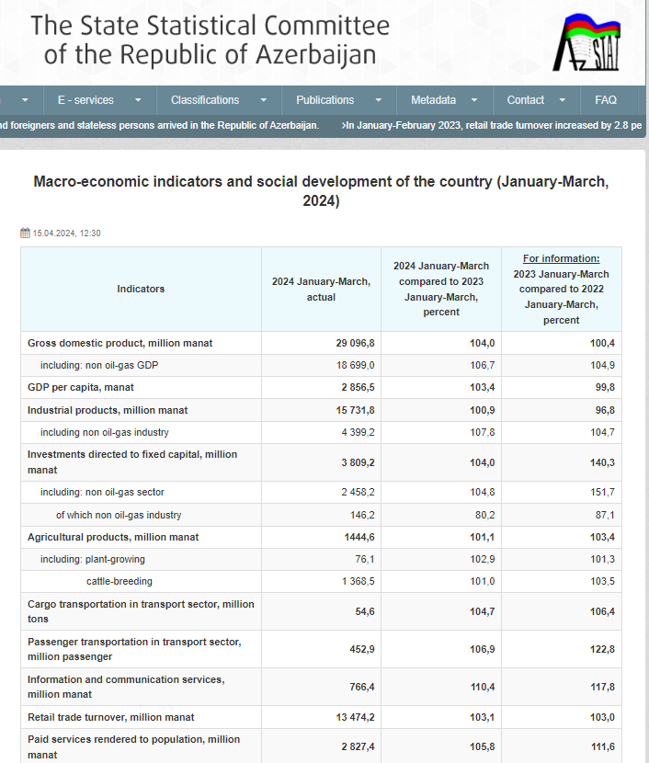
https://www.stat.gov.az/news/macroeconomy.php?page=1

